Read Me - Switch Project
Promoting Inclusive Sustainable Practices in the South African Clay Brick Sector

About: The SWITCH Africa Green project” Promoting Inclusive Sustainable Practices in the South African Clay Brick Sector” was initiated in 2018 and aims to promote sustainable practices in the South African clay brick sector. The project is co-funded by the European Union and executed jointly by The Clay Brick Association of Southern Africa (CBA), EcoMetrix Africa (EMA) and Partners for Innovation (PfI).

Project Structure: The project comprises four work packages (WPs) and each of these packages consist of objectives which collectively form the framework for realising the main aim of the project. WP1 - Sustainable Clay brick Production Practices WP2 - Sustainable Building Practices WP3 - Sector Based Sustainability Monitoring and Reporting WP4 - Informal Brick Maing Sustainable Consumption and Production (SCP) Awareness

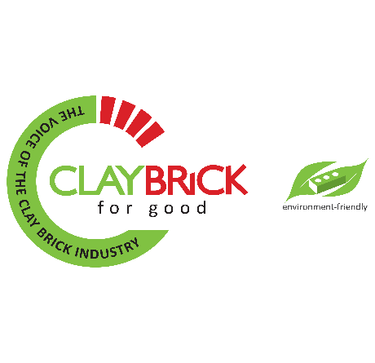
Business Cases: As part of WP1, three (3) sustainability good practice business cases have been developed. The aim of these business cases is to assist clay brick producers to evaluate the financial feasibility of investments that can be made into various measures which can enhance the sustainability of their production processes. The 3 business cases which have been developed include: (1) Technology switch from a clamp kiln to a zig-zag kiln, (2) de-materialisation (coring of the clay brick at extrusion) and (3) waste symbiosis (adding waste as a material filler and/or addition of energy to the clay mix).These business cases will then be further developed, with prospective producers who have the the potential to implement these measures, in order to access relevent sustainability funding and financing instruments

Headline Inputs
Headline Inputs |  |  |  |  |  | Operational Performance (Gains/Losses)

 | Variables | UoM | Zig-Zag (solid bricks) | Zig-Zag (perforated bricks) |  | Performance | UoM
 | Investment cost | ZAR | - | 200,000 |  | Operating profit (EBITDA | 9%
 | Discount Rate | % | - | 10% |  | Cost of materials (pellets) | 1%
 | Daily Production (Green bricks) | No | 45,000 | 45,948 |  | Cost of labour | 0%
 | Brick Weight (extruded) | kg | 3.5 | 3.5 |  | Cost of utilities (electricity and water) | 2%
 | Level of brick perforation | % | 0% | 16% |  | Cost of fuel (production process) | -14%
 | Addition of waste stream | % | 0% | 0% |  | Cost of clay | -14%
 | Price of waste product | ZAR/tonne | - | - |  | Revenue (brick sales) | 0%
 | Monthly Operating days | days | 22 | 22
 | Monthly green brick production | No | 990,000 | 1,010,856
 | Operating months per year | months | 11 | 11
 | Annual green brick production | No | 10,890,000 | 11,119,416
 | Waste (Drying) | % | 2% | 2%
 | Net Setting into Kiln | No | 10,672,200 | 10,897,028
 | Waste (firing) | % | 3% | 5%
 | Annual Saleable bricks | No. | 10,352,034 | 10,352,176
 | Average brick selling price per unit | ZAR/brick | 2.0 | 2.0

 | Annual GHG Emissions |  |  |  |  | Financials

 |  | UoM | Zig-Zag (solid bricks) | Zig-Zag (perforated bricks) | % Change | Business Case Evaluation: Fuel and Clay Savings vs Investment
 | Internal Fuel Consumption | GJ | 60,511 | 51,900 | -17%
 | Firing Fuel Fuel Consumption | GJ | 6,723 | 5,767 | -17% | Variables | UoM | Value
 | Total emissions per annum | tCO2e | 6,483 | 5,560 | -17% | Net Present Value (NPV) | ZAR | 2,190,560
 |  |  |  |  |  | Profitability Index | Ratio | 12.0
 |  |  |  |  |  | Payback period | years | 0.3

